General interviews
User | General comments | Pain points
Carlos | IT now - issues/problems working for most of the projects in Jira Demand intake is not standardized Jira: Small and medium demand - acier teams projects PMs and Tech leads to work in the same way Interactions between the team - PM/Tech leads. Relationship Standardization - processes , demand intake and report Business to work with Jira Warning - we need to envolve business to this single intake change Find one tool that can be used Jira is where we manage the vendor work | 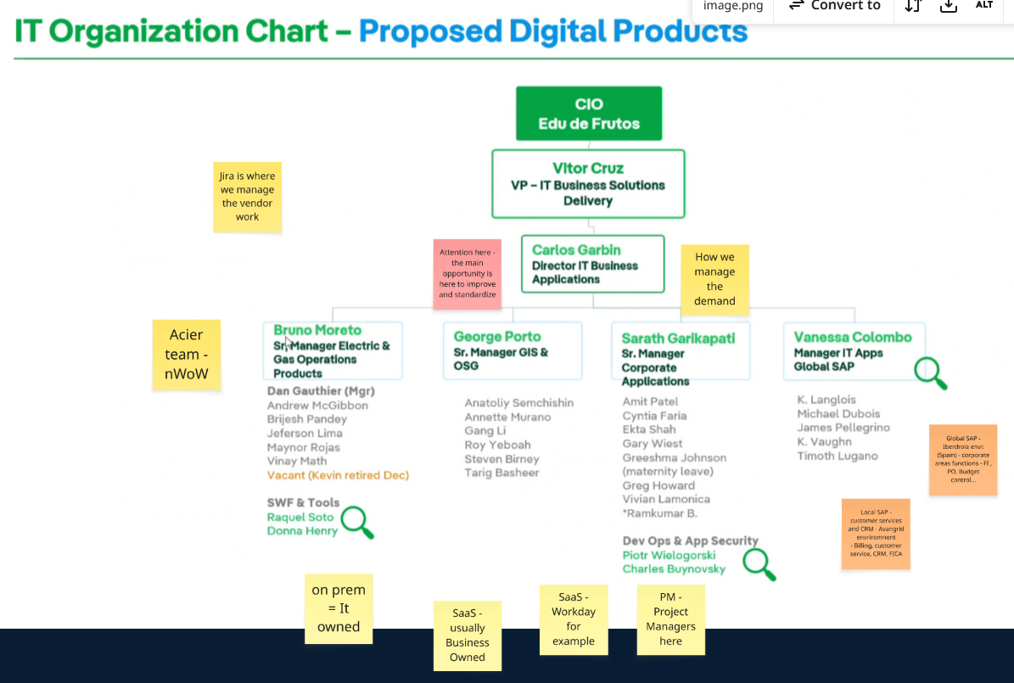
Stephanie and Kumar | This is all demand from Customer Service. Custoemr Service has a group of PMs for Large projects and then they come to SAP. Then doing BRP and prioritizing work. Internal PM under TRavis Structure. JIRA for Small& Medium demands & PPM tools for large demand (projects) Differnce regarding Budget and timeline related PMO Group (large projects - Travis) / BRS (business) / IT funded = Kumar teams Jira (small-medium) and PPM (large) Software Factory is probably managing the project itself Who is working as the Project Manager ? PMO group Why for large projects we don't have the role of Produt Manager and SAP Architect in Demand Management ? Product management shpudl also be in large projects. Is this "to-be" already in place ? Yes, already operating | Access to documentation - better organization (storage system) - single source of truth Who is in charge of what (3 people can run the payment jobs for example) Capacity management Resource allocation: Multiple OPCos (by capacity) Information (updates) on e-mails not in Jira incident - Mix (BRS/Software Factory)

